10-Gantt
Gantt Chart Instruction
Highlight Task and Duration (but not the headers)
Create the chart: Insert (Ribbon) > Bar > Stacked Bar
Reverse Order: Chart Tools > Layout > Axes > Vertical > More Options > Categories in Reverse Order
Add Start Dates: Chart Tools > Design > Select Data > Add Series > Name: Start Date; Values: B2:B13 > OK
Reverse Order: Select Start Date > Up Arrow (Blue lines will display) > OK
Set Project Dates: Chart Tools > Layout > Axes > Primary Horizontal > More Options > MIN, MAX, UNIT = Fixed > MIN = 42367; MAX = 42450; Unit = 7 (MIN and MAX represents dates; UNIT represents Week)
While Format Axis is still open, go to Alignment > Custom Angle > -65 > Close
Hide the Start Dates: Select the Start Date bars > Right Click > Format Data Series > Fill = No Fill;Border = No Line > Close
Delete the Legend
Format the Duration bars: Select the Duration Bars > Right Click > Format Data Series > 3-D Format > Top > Circle > Close
Add a Chart Title: Chart Tools > Chart Title > Above Chart > Planning Gantt > Enter
Task | Start Date | Duration | End Date | Return to TOC
Planning Meeting | 2015-12-29 | 1 | 2015-12-29
Develop Questionnaire | 2015-12-30 | 11 | 2016-01-09
Print and Mail Questionnaire | 2016-01-13 | 9 | 2016-01-21
Receive Responses | 2016-01-16 | 15 | 2016-01-30
Data Entry | 2016-01-16 | 18 | 2016-02-02
Data Analysis | 2016-02-03 | 4 | 2016-02-06
Write Report | 2016-02-09 | 12 | 2016-02-20
Distribute Draft Report | 2016-02-23 | 1 | 2016-02-23
Solicit Comments | 2016-02-24 | 4 | 2016-02-27
Finalize Report | 2016-03-02 | 5 | 2016-03-06
Distribute to Board | 2016-03-09 | 1 | 2016-03-09
Board Meeting | 2016-03-17 | 1 | 2016-03-17

Handout1
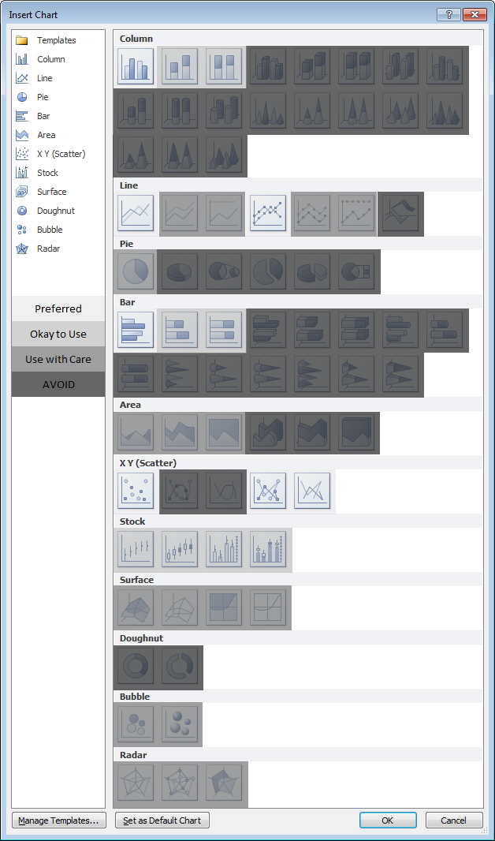
Peltier Tech Blog - Excel 2010 Chart Types

http://peltiertech.com/WordPress/excel-chart-types/
Return to TOC

Handout2
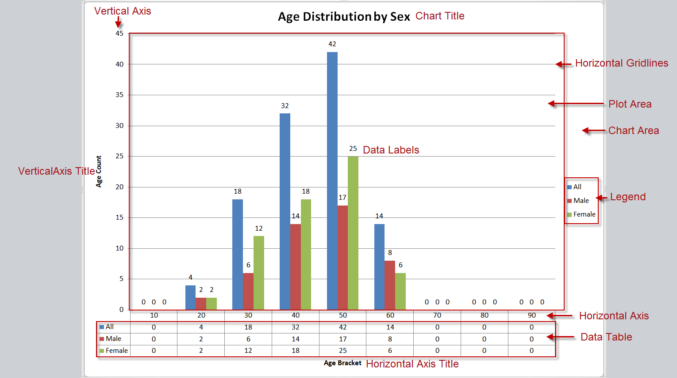
Return to TOC

