1098-F Instructions
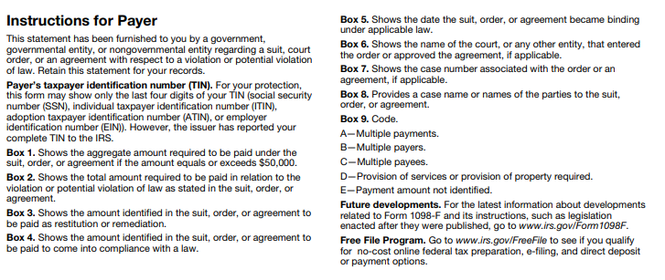

Instructions:
1) | The 1098-F Settlement Information spreadsheet must be filled out and sent to OSC by the following due dates March 31st, June 30th, September 30th, November 30th and December 31st.

2) | Agency should fill in Enter Agency Name and the Enter Time Period Dates.

3) | Fill in the information for each one of the boxes.

4) | If nothing to report, check the box in the upper left hand corner of the spreadsheet and submit.

5) | Spreadsheets should be submitted to osc.1099@ct.gov.

 | Penalties and Fines by the IRS for failure to file by the Due Date (January 31st):
 |  | $50 per information return if you correctly file within 30 days; maximum penalty $588,500 per year.
 |  | $110 per information return if you correctly file more than 30 days after the due date but by August 1; maximum penalty $1,766,000 per year.
 |  | $290 per information return if you file after August 1 or you do not file required information returns; maximum penalty $3,532,500 per year.

For any questions or concerns, please contact Chrispin Stewart at 860-702-3407 or send an email to osc.1099@ct.gov.

Frequently Asked Questions
